Classification
TRAINING DATA
Inputs / Independent variables (X) |  |  | Target / Dependent variable (y)
x1 | x2 | x3 | y | y_fit | f(X) = f(x1, x2, x3)
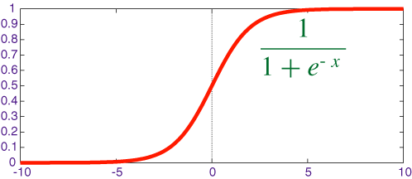
Study Hours | Has Tuition | Only Child | Actual Results | Fitted Results
20 | 1 | 0 | Pass | Pass
5 | 0 | 0 | Fail | Fail
15 | 1 | 1 | Pass | Pass
22 | 0 | 1 | Pass | Fail
2 | 0 | 1 | Fail | Fail
18 | 0 | 0 | Pass | Pass
7 | 0 | 1 | Fail | Fail
16 | 1 | 0 | Pass | Pass
4 | 1 | 1 | Fail | Pass
3 | 0 | 0 | Fail | Fail

TEST DATA
Inputs / Independent variables (X) |  |  | Target / Dependent variable (y)
x1 | x2 | x3 | y | y_predicted
Study Hours | Has Tuition | Only Child | Actual Results | Predicted Results
18 | 1 | 0 | Pass | Pass
6 | 0 | 0 | Fail | Fail
17 | 1 | 1 | Pass | Pass
15 | 1 | 1 | Pass | Pass
8 | 0 | 1 | Pass | Fail

Simple Linear Regression
Simple Linear Regression
TRAINING DATA
Inputs / Independent variable (x) | Target / Dependent variable (y)
x | y | y_fit
Height (cm) | Weight (kg) | Fitted Results
170 | 60 | 67
175 | 63 | 72
180 | 78 | 77
176 | 72 | 73
156 | 50 | 53
168 | 63 | 65
185 | 88 | 83
162 | 62 | 59
170 | 70 | 67
178 | 72 | 75

TEST DATA
Inputs / Independent variable (x) | Target / Dependent variable (y)
x1 | y | y_predicted
Height (cm) | Weight (kg) | Predicted Results
177 | 72 | 74
164 | 60 | 61
181 | 79 | 79
159 | 61 | 56
175 | 70 | 72

